Sheet1
Fan Control Board Bill of Materials

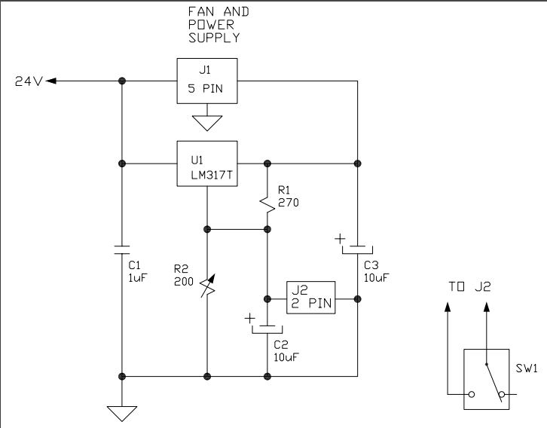
U1 | LM317T
R1 | 270 ohm
R2 | 200 ohm trimpot
C1 | 1uF
C2 | 10uF
C3 | 10uF
SW1 | SPDT
Power Supply | 24V, 5Amp

Connectors |  | Header | Mate | Crimp
J1* | 5pin molex (SL) | 0705430004 | 0050579405 | 0016020103
J2* | 2pin molex (SL) | 0705430001 | 0050579402 | 0016020103
* Optional

